Top 10 Countries
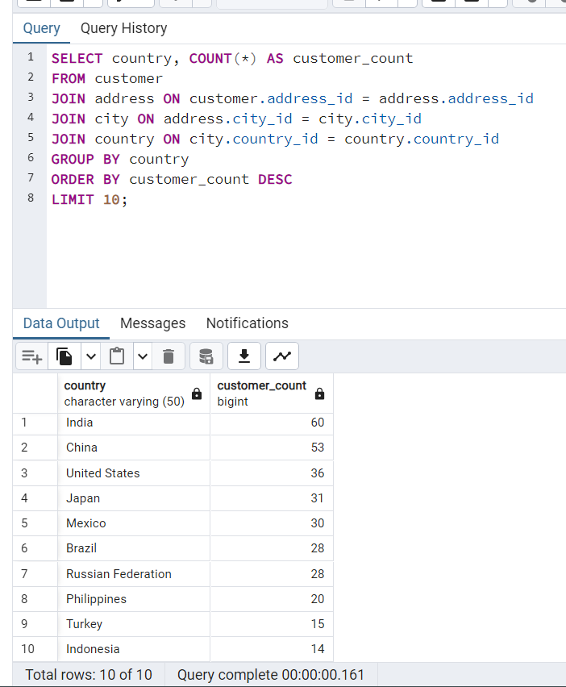
SELECT country, COUNT(*) AS customer_count
FROM customer
JOIN address ON customer.address_id = address.address_id
JOIN city ON address.city_id = city.city_id
JOIN country ON city.country_id = country.country_id
GROUP BY country
ORDER BY customer_count DESC
LIMIT 10;

Top 10 Cities
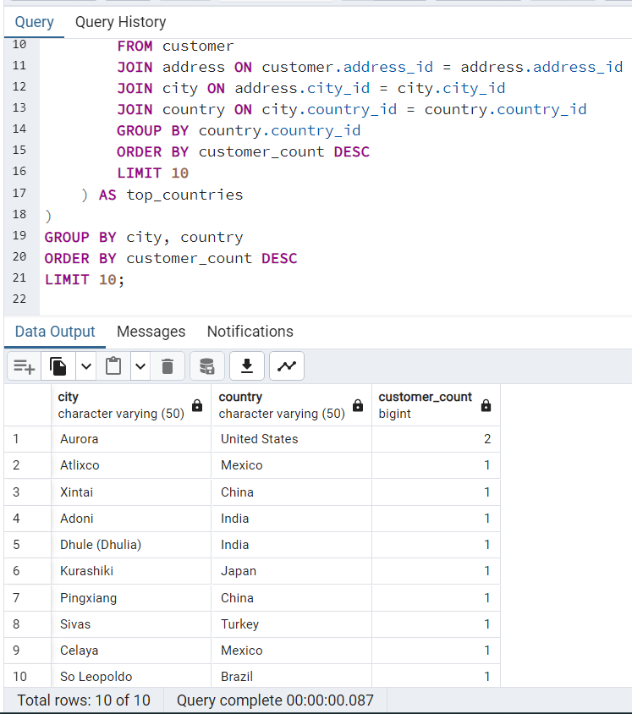
SELECT city, country, COUNT(*) AS customer_count
FROM customer
JOIN address ON customer.address_id = address.address_id
JOIN city ON address.city_id = city.city_id
JOIN country ON country.country_id = city.country_id
WHERE city.country_id IN (
SELECT country_id
FROM (
SELECT country.country_id, COUNT(*) AS customer_count
FROM customer
JOIN address ON customer.address_id = address.address_id
JOIN city ON address.city_id = city.city_id
JOIN country ON city.country_id = country.country_id
GROUP BY country.country_id
ORDER BY customer_count DESC
LIMIT 10
) AS top_countries
)
GROUP BY city, country

Top 5 Customers Final Query
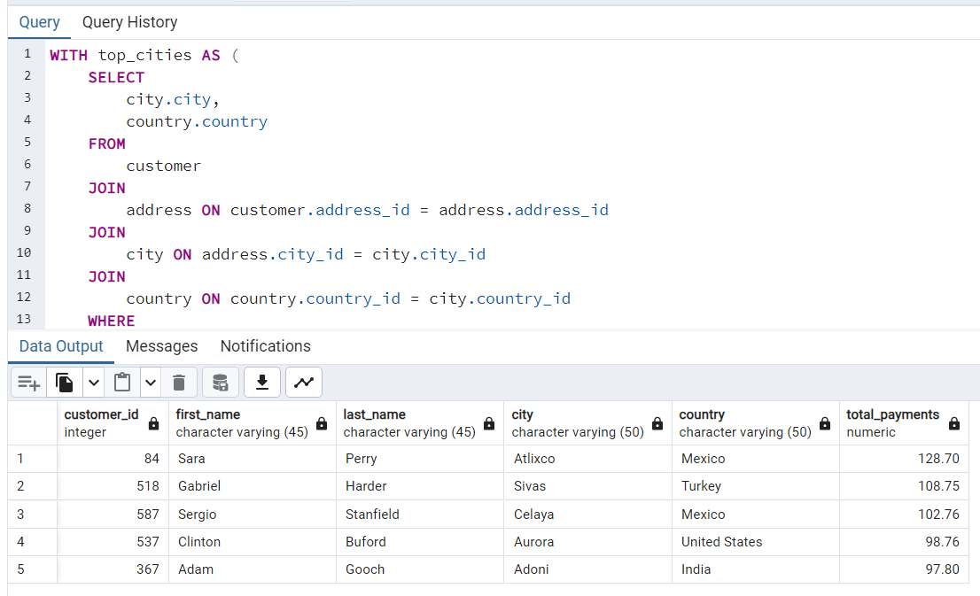
WITH top_cities AS (
SELECT
city.city,
country.country
FROM
customer
JOIN
address ON customer.address_id = address.address_id
JOIN
city ON address.city_id = city.city_id
JOIN
country ON country.country_id = city.country_id
WHERE
city.country_id IN (
SELECT
country_id
FROM
(
SELECT
country.country_id,
COUNT(*) AS customer_count
FROM
customer
JOIN
address ON customer.address_id = address.address_id
JOIN
city ON address.city_id = city.city_id
JOIN
country ON city.country_id = country.country_id
GROUP BY
country.country_id
ORDER BY
customer_count DESC
LIMIT
10
) AS top_countries
)
GROUP BY
city.city,
country.country
ORDER BY
COUNT(*) DESC
LIMIT
10
)
SELECT
customer.customer_id,
customer.first_name,
customer.last_name,
city.city,
country.country,
SUM(payment.amount) AS total_payments
FROM
customer
JOIN
address ON address.address_id = customer.address_id
JOIN
city ON city.city_id = address.city_id
JOIN
country ON country.country_id = city.country_id
JOIN
payment ON customer.customer_id = payment.customer_id
JOIN
top_cities ON city.city = top_cities.city AND country.country = top_cities.country
GROUP BY
customer.customer_id,
customer.first_name,
customer.last_name,
city.city,
country.country
ORDER BY
total_payments DESC
LIMIT 5;

